Sheet1
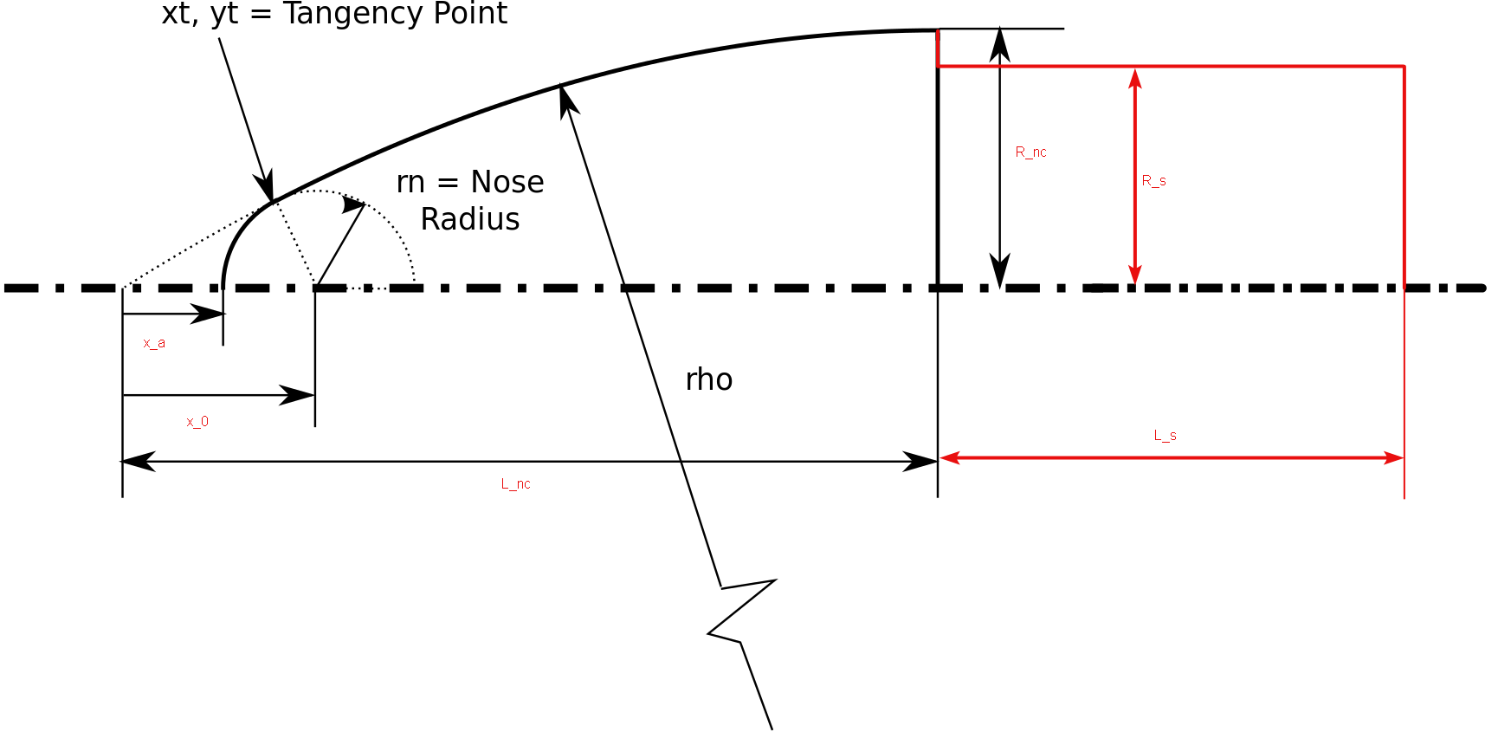
 |  |  |  |  | Units | inch
Variable | Description | Eqn | Value | Units
rn | Nose radius |  | 0.1 | inch
Rnc | Nosecone base radius |  | 1.5 | inch
Lnc | Nosecone length |  | 12.5 | inch
tnc | Nosecone wall thickness |  |  | inch
ρ | Ogive radius | =(Rnc2 + Lnc2)/(2Rnc) | 52.833333333 | inch
x0 | Center of tip sphere | = Lnc - sqrt((ρ - rn)2 - (ρ - Rnc)2) | 0.42965065405 | inch
yt | Y-coordinate of tangency point | = (rn * (ρ - Rnc))/(ρ - rn) | 0.097345132743 | inch
xt | X-coordinate of tangency point | = x0 - sqrt(rn2 - yt2) | 0.40676124315 | inch
xa | Apex point | = x0 - rn | 0.32965065405 | inch

Rs | Radius of shoulder |  |  | inch
Ls | Length of shoulder |  |  | inch
ts | Shoulder wall thickness |  |  | inch

